Site Plan
Client : | Bristol City Council | Site plan for : | Site 11 - York Road / Whitehouse Street
Project : | 3028-Wal / Bristol CAF2 | Date : | 2015-12-09
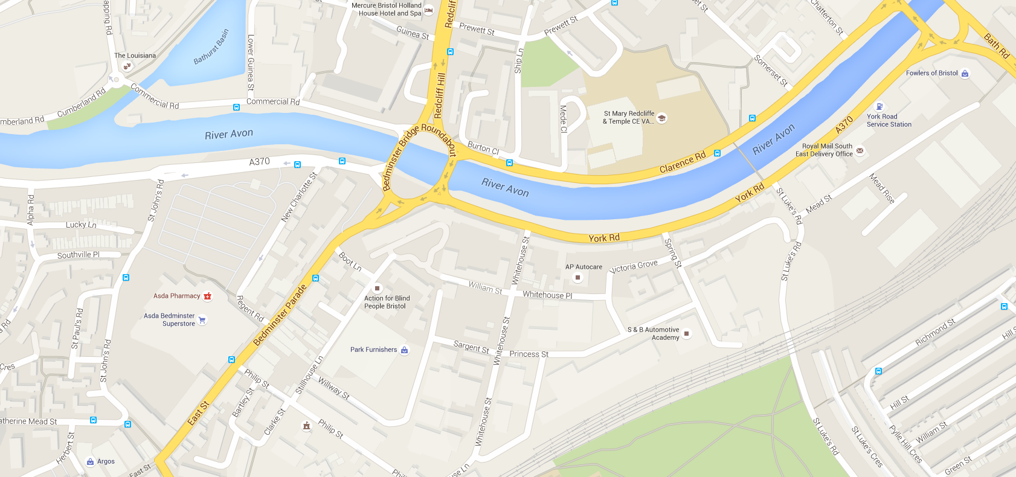

C
Site 11
A
B

A - York Road (E)
B - Whitehouse Street
C - York Road (W)

